Layout-list
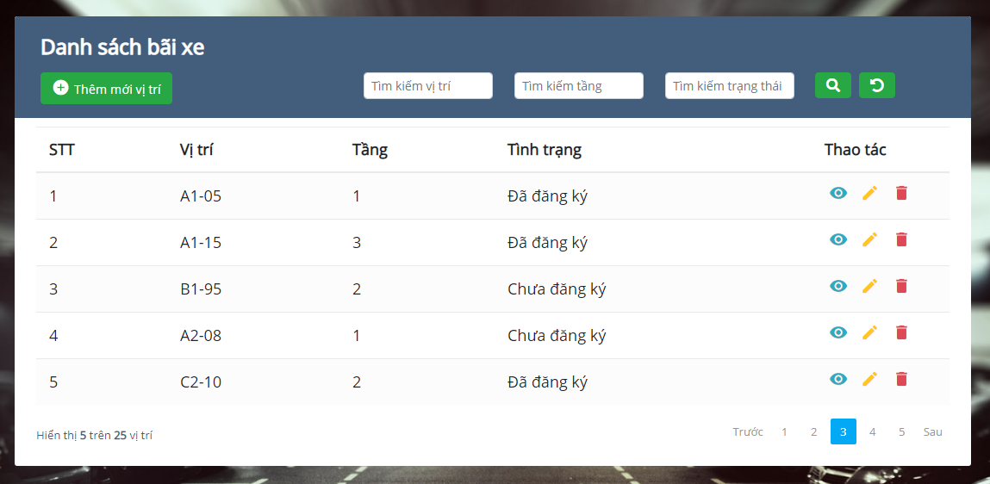
5.8.1. Danh sách bãi xe

Layout-create
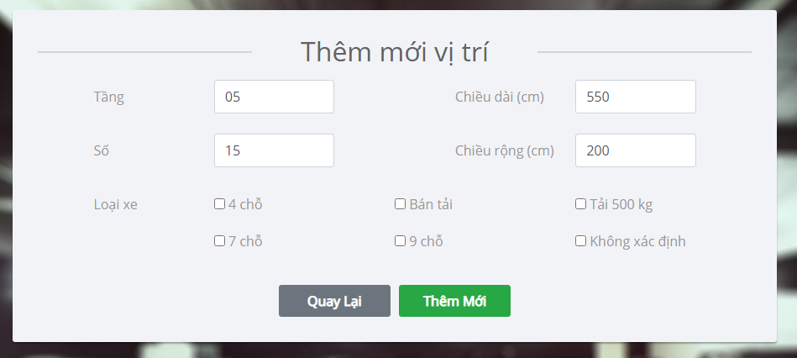
5.8.2. Thêm mới vị trí

